Summery
VALIDATIONS

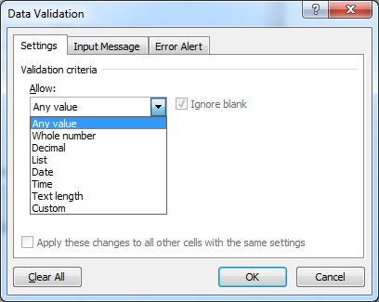
 | SR | Topic
 | 1 | Settings
 | 2 | Allow
 | 3 | Any Value
 | 4 | Whole Number
 | 5 | Decimal
 | 6 | List
 | 7 | Date
 | 8 | Time
 | 9 | Text Length
 | 10 | Custom
 | 11 | Input Message
 | 12 | Error Alert

Sheet3
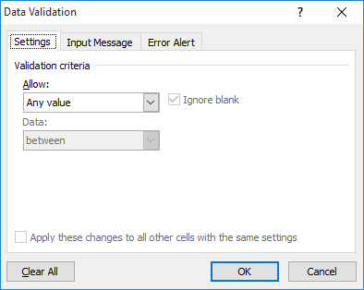
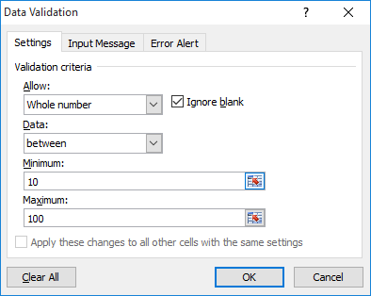
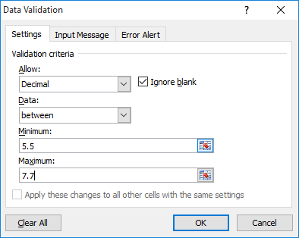
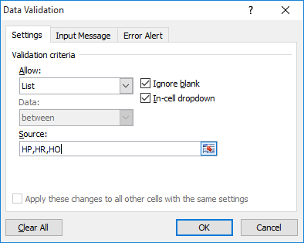
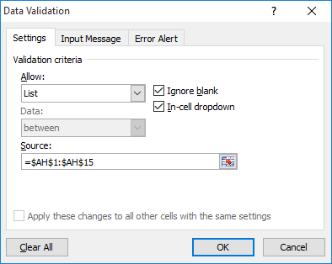
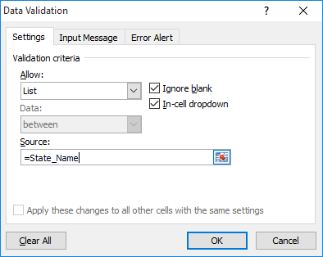

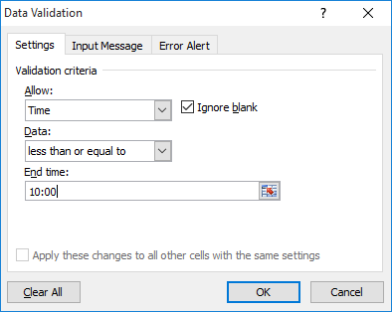
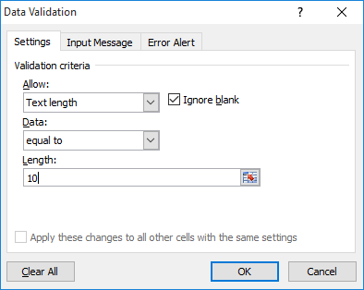
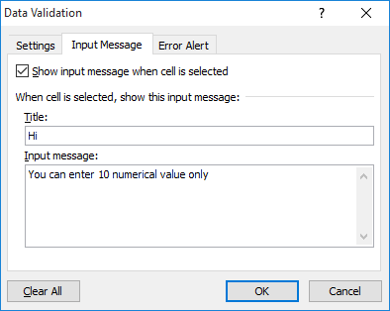
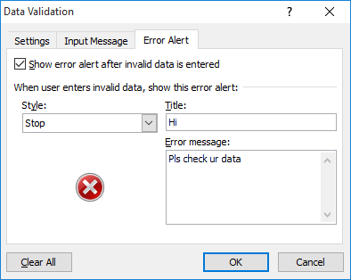
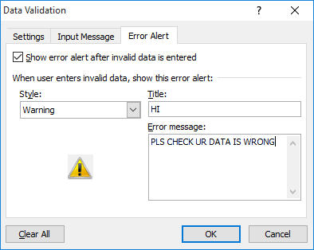
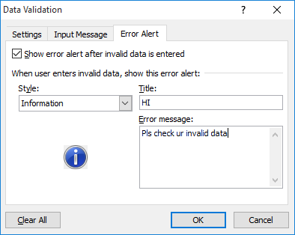
 |  |  |  |  |  |  |  |  |  |  |  |  | DL
 |  |  |  |  |  |  |  |  |  |  |  |  | HR
 |  |  |  |  |  |  |  |  |  |  |  |  | HO
 |  |  |  |  |  |  |  |  |  |  |  |  | HC
 |  |  |  |  |  |  |  |  |  |  |  |  | JH
 |  |  |  |  |  |  |  |  |  |  |  |  | JR
 |  |  |  |  |  |  |  |  |  |  |  |  | CJ
 |  |  |  |  |  |  |  |  |  |  |  |  | JC
 |  |  |  |  |  |  |  |  |  |  |  |  | KH
 |  |  |  |  |  |  |  |  |  |  |  |  | CA
 |  |  |  |  |  |  |  |  |  |  |  |  | AC
 |  |  |  |  |  |  |  |  |  |  |  |  | CR
 |  |  |  |  |  |  |  |  |  |  |  |  | CG
 |  |  |  |  |  |  |  |  |  |  |  |  | GE
 |  |  |  |  |  |  |  |  |  |  |  |  | AR

 |  |  |  |  |  |  |  |  |  | HO |  |  |  | JR |  |  |  |  |  |  |  |  |  |  |  | AF |  |  |  |  |  | ASDF | ad |  |  | a
 |  |  |  |  |  |  |  |  | 5.5 |  |  |  |  |  |  |  |  |  |  |  |  |  | HP |  | HR |  |  | ADF |  |  | DFA
234 | 234 | 234 | 24 | 234 |  |  |  |  | 7.7 |  | HR |  |  |  |  |  | JH | CA |  | 2-Aug-19 | 10:00:00 | 1234567890 |  |  |  |  |  |  |  |  |  |  |  |  | 123 |  | f
23 | 4 | 4 | 234 | 234 |  |  |  |  | 5.6 |  |  | HP |  |  | HC |  |  |  | CA | 20-Nov-19 | 9:00:00 |  |  | HO |  | A | HO |  | HR |  |  |  | a |  | 12345
 | gr | 423 | f345 |  | 10 | 100 | 99 | 76 |  |  |  |  |  |  |  |  |  |  |  |  | 8:00:00 |  |  |  |  |  |  |  |  |  | OP |  |  | a | 43
 | sfd | g | sfg |  |  |  |  |  |  |  |  |  |  |  |  | CJ |  |  |  |  |  |  |  |  |  |  |  |  |  | QW |  | ASDF |  |  |  | a | a
 |  | sf | dg |  |  |  |  |  |  |  |  |  |  |  |  |  |  |  |  |  |  |  |  |  |  | AFD

